3. Payment Overview
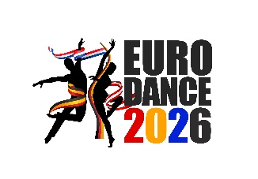

TSC Dance Feet Kelmis – Moresneterstraße 82, 4720 Kelmis

0
0
0
0
0

 |  |  | Date: | 2026-01-27

Payment overview non active dancers EuroDance 2026

Your Order from 27.01.2026

Dear Sir or Madam,
based on the information you provided, the following overview shows the booked
attendance days and the resulting total amount.

Item | Description | Quantity (units) | Unit price | Total price

1 | "Non Active Dancer" Junior | 0 | 10.00 € | - €
2 | "Non Active Dancer" Youth | 0 | 10.00 € | - €
3 | "Non Active Dancer" Masters | 0 | 10.00 € | - €

 | Amount due |  |  | - €

Please transfer the above-mentioned amount to the account listed below, stating the specified
payment reference.

The order is considered binding once payment has been received.

TSC Dance Feet Kelmis
Konto: IBAN BE84 7310 5576 4059
BIC: KREDBEBB
Payment reference: Tickets, club name

Please note that admission for non active visitors is only valid for the days specified here.
Changes after receipt of payment are only possible after prior consultation.

If you have any questions, please do not hesitate to contact us.

Kind regards

TSC Dance Feet Kelmis
Organisation EuroDance 2026

